Heatwave Scenario
Heatwave scenario data — sources and derivation for use_cases/ieee14/4batt_dcbus4_heatwave.py's HEAT_FACTORS
Sept 6-7, 2023 = ERCOT heat event (OE-417 tab); Sept 16, 2023 = normal-day baseline (coolest day in Sept 2023, this NRSDB tab).
Temperatures reindexed from NRSDB's UTC "Hour" column to local time (Local Time Zone = -6, per this workbook's NRSDB tab metadata).

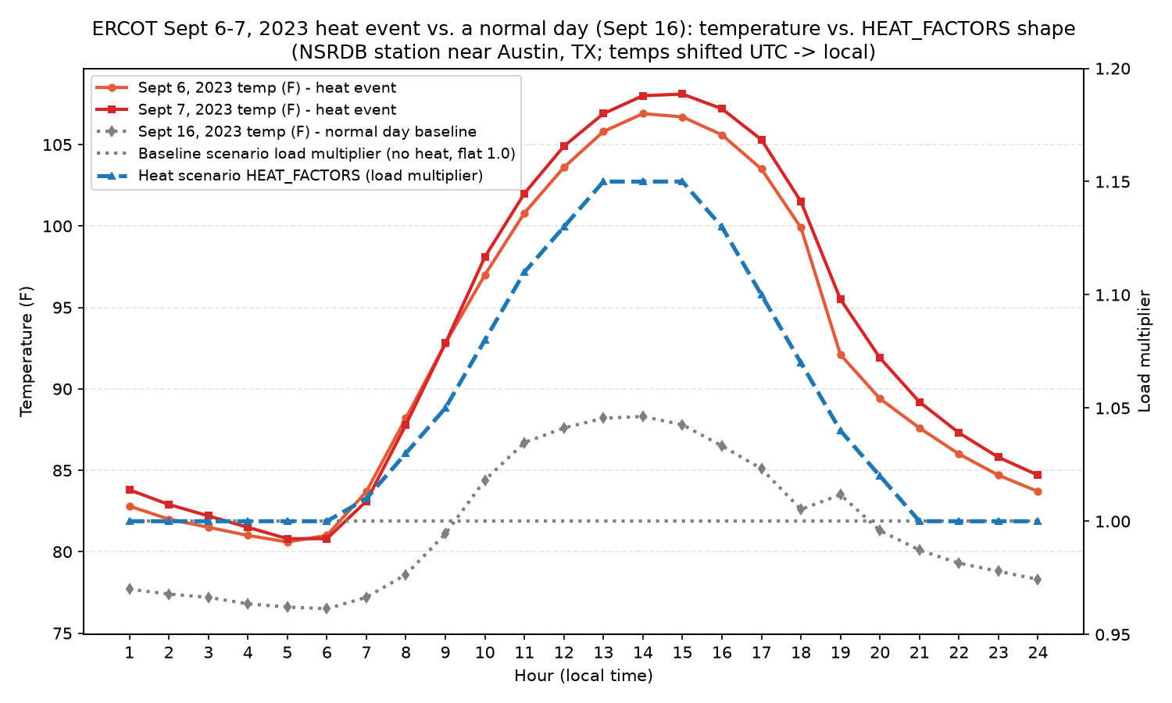
Hour (local) | Sept 6 Temp (F) - heat event | Sept 7 Temp (F) - heat event | Sept 16 Temp (F) - normal day baseline | Baseline load factor (no heat) | Heat scenario HEAT_FACTORS
1 | 82.8 | 83.8 | 77.7 | 1 | 1
2 | 82 | 82.9 | 77.4 | 1 | 1
3 | 81.5 | 82.2 | 77.2 | 1 | 1
4 | 81 | 81.5 | 76.8 | 1 | 1
5 | 80.6 | 80.8 | 76.6 | 1 | 1
6 | 81 | 80.8 | 76.5 | 1 | 1
7 | 83.7 | 83.1 | 77.2 | 1 | 1.01
8 | 88.2 | 87.8 | 78.6 | 1 | 1.03
9 | 92.8 | 92.8 | 81.1 | 1 | 1.05
10 | 97 | 98.1 | 84.4 | 1 | 1.08
11 | 100.8 | 102 | 86.7 | 1 | 1.11
12 | 103.6 | 104.9 | 87.6 | 1 | 1.13
13 | 105.8 | 106.9 | 88.2 | 1 | 1.15
14 | 106.9 | 108 | 88.3 | 1 | 1.15
15 | 106.7 | 108.1 | 87.8 | 1 | 1.15
16 | 105.6 | 107.2 | 86.5 | 1 | 1.13
17 | 103.5 | 105.3 | 85.1 | 1 | 1.1
18 | 99.9 | 101.5 | 82.6 | 1 | 1.07
19 | 92.1 | 95.5 | 83.5 | 1 | 1.04
20 | 89.4 | 91.9 | 81.3 | 1 | 1.02
21 | 87.6 | 89.2 | 80.1 | 1 | 1
22 | 86 | 87.3 | 79.3 | 1 | 1
23 | 84.7 | 85.8 | 78.8 | 1 | 1
24 | 83.7 | 84.7 | 78.3 | 1 | 1

Sources
Hourly temperature data (this workbook's NRSDB tab):
NREL National Solar Radiation Database (NSRDB), station 719433, lat 29.65 / lon -96.06, year 2023.
https://nsrdb.nrel.gov/

Sept 6, 2023 peak demand (82,705 MW):
ERCOT news release, "ERCOT Has Exited Emergency Operations, Returned to Normal Grid Conditions. No Grid-related Outages Were Necessary."
https://www.ercot.com/news/release/2023-09-06-ercot-has-exited

Sept 7, 2023 peak demand (83,911 MW) and prior Sept peak (72,370 MW, Sept 1, 2021):
ERCOT news release, "ERCOT Provides New Look at Peak Demand Records."
https://www.ercot.com/news/release/09142023-ercot-provides-new

Aug 10, 2023 all-time peak (85,508 MW), for context only:
ERCOT Yearly Peak Demand Records.
https://www.ercot.com/static-assets/data/news/content/a-peak-demand/all-time-records.htm

~15% peak-uplift figure = average of (82,705/72,370) and (83,911/72,370); see Phase 3 - /Contingencies/ERCOT_Heat_Event_Sept2023.md for the full derivation.

